Diagram
● | Model Diagram
 | No Errors Found
 | Table of Contents
 | System Control and Market Operator Charges - Power and Water Corporation

 | Model Diagram

Inputs
Calculations
Controls
Outputs

Inputs
Cover
System Control Charges

TOC
Market Operator Charges

Diagram

Lookup

Checks

 | Description of Price Control - Regulatory Period 2019-24
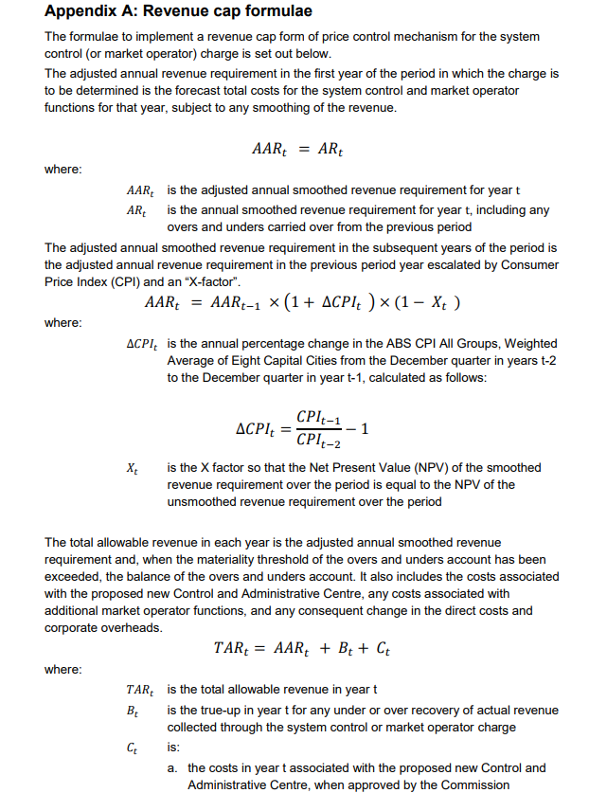
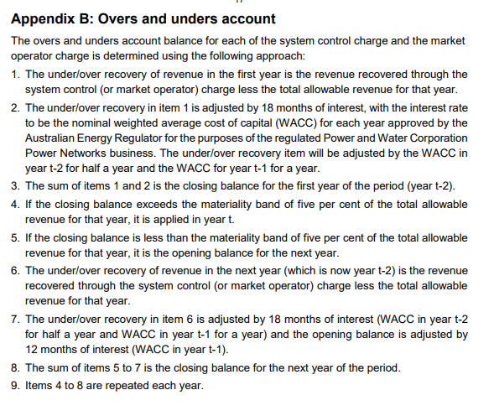

 | Description of Price Control - Regulatory Period 2024-27

 |  | Year 1: 2024-25

 |  | Year 2: 2025-26

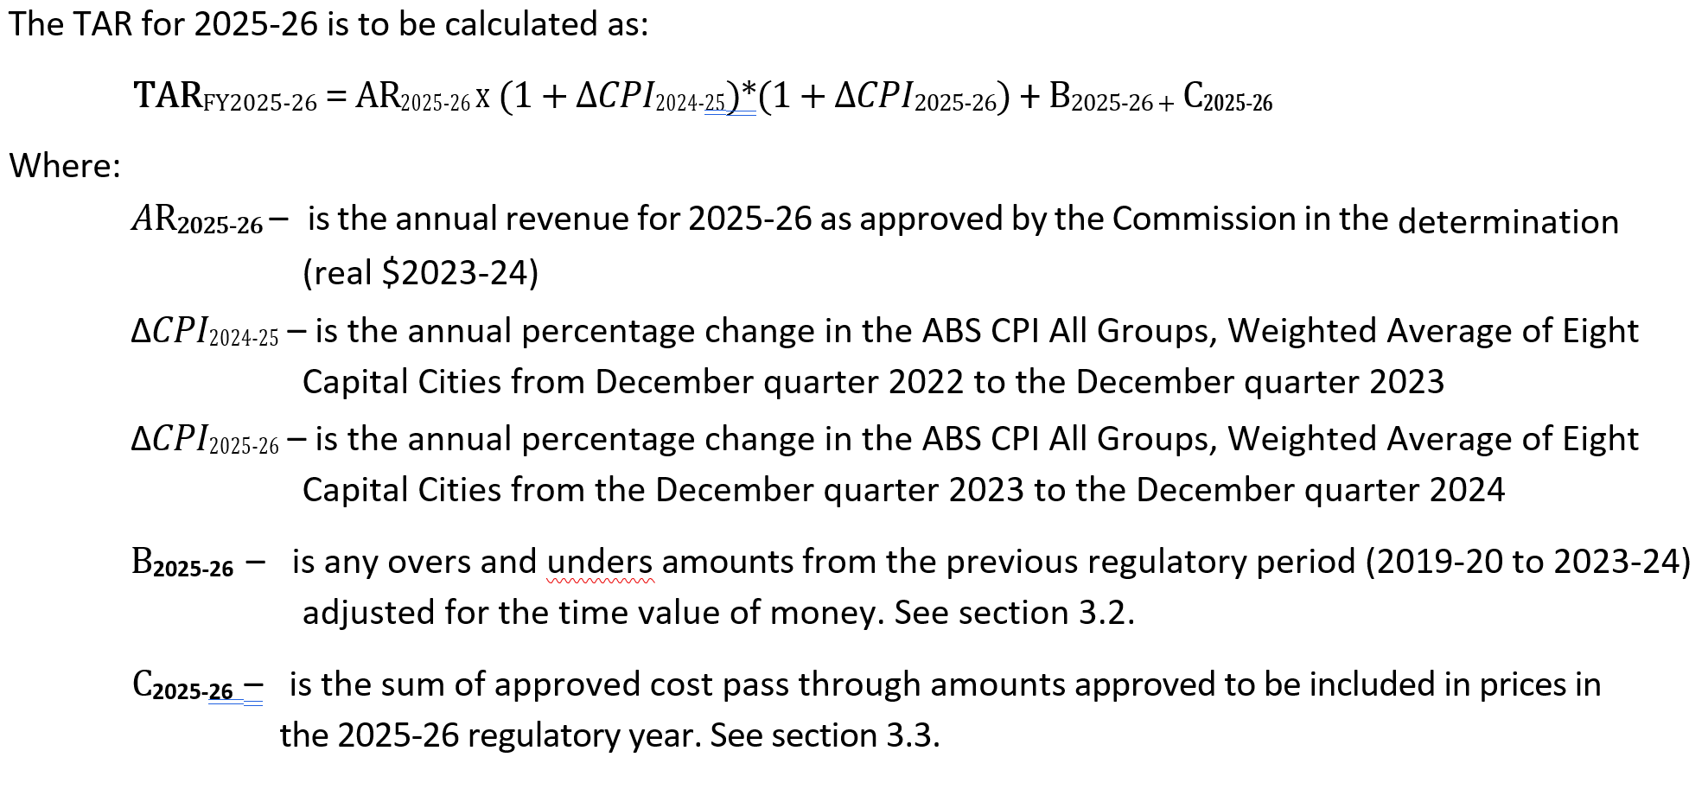

 |  | Year 3: 2026-27

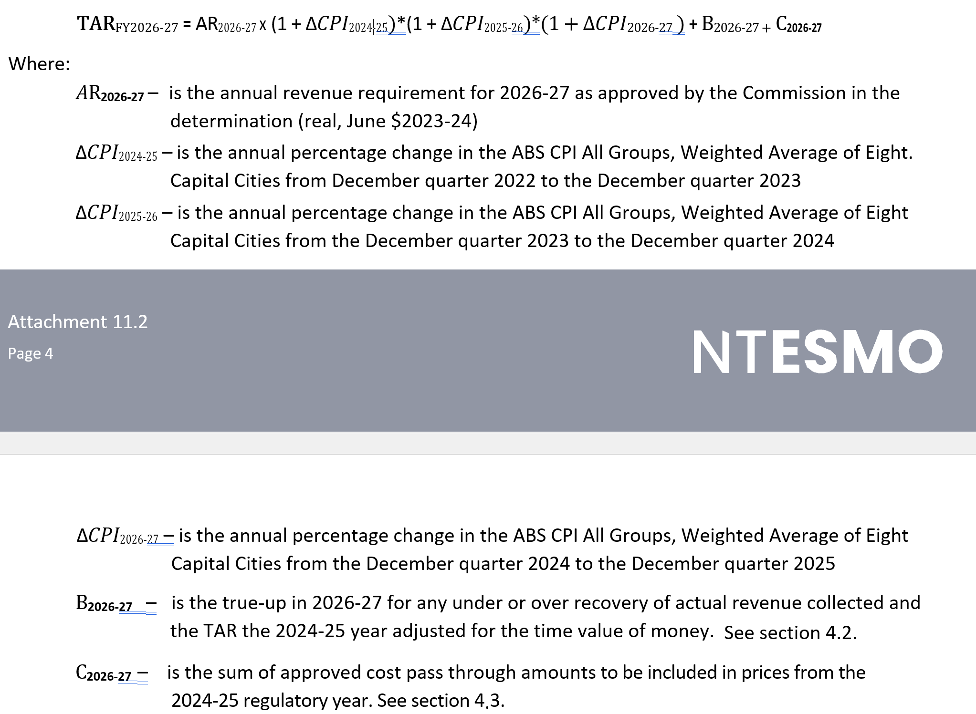

 | End

